Graphs
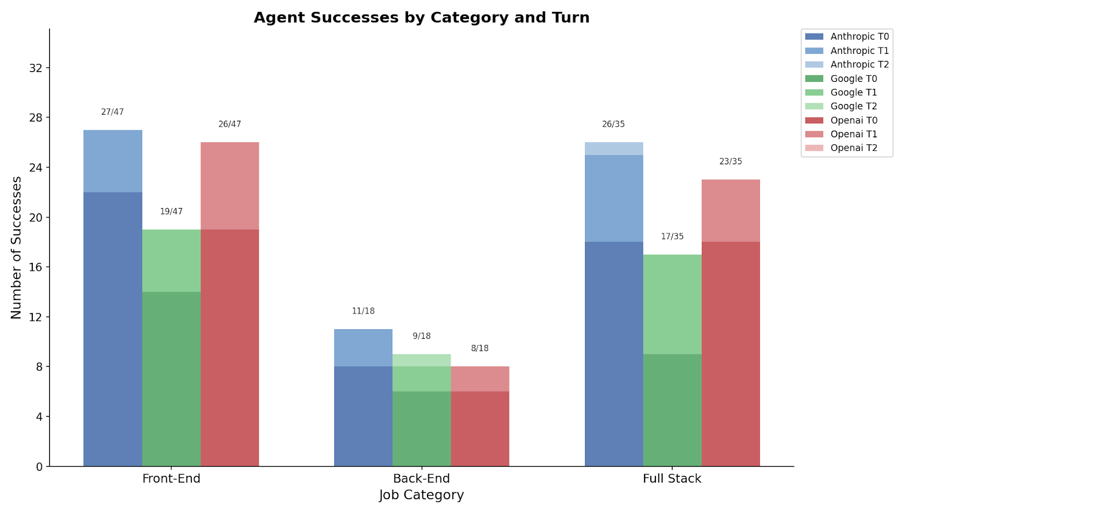
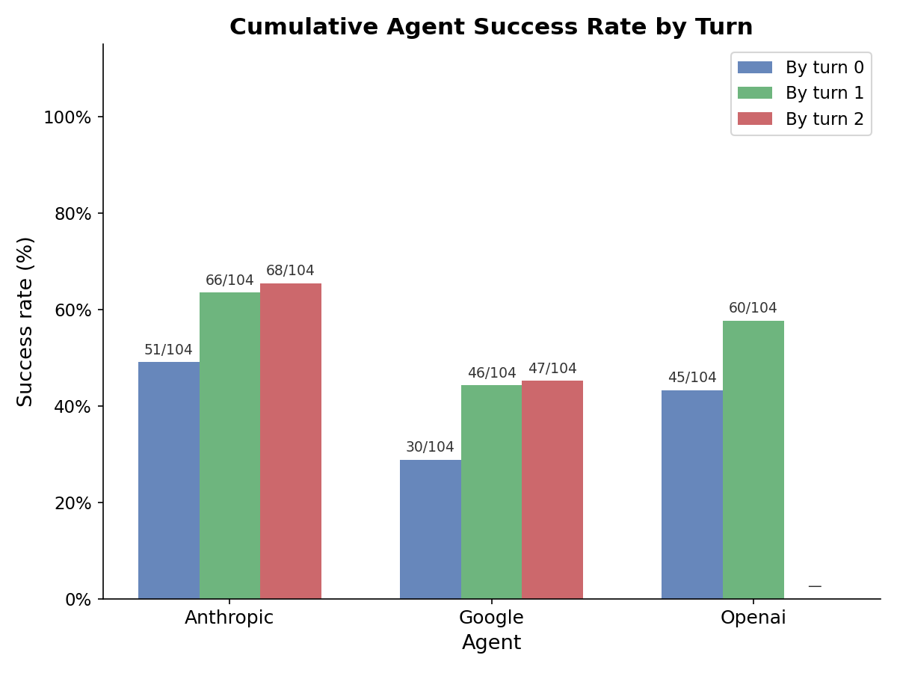
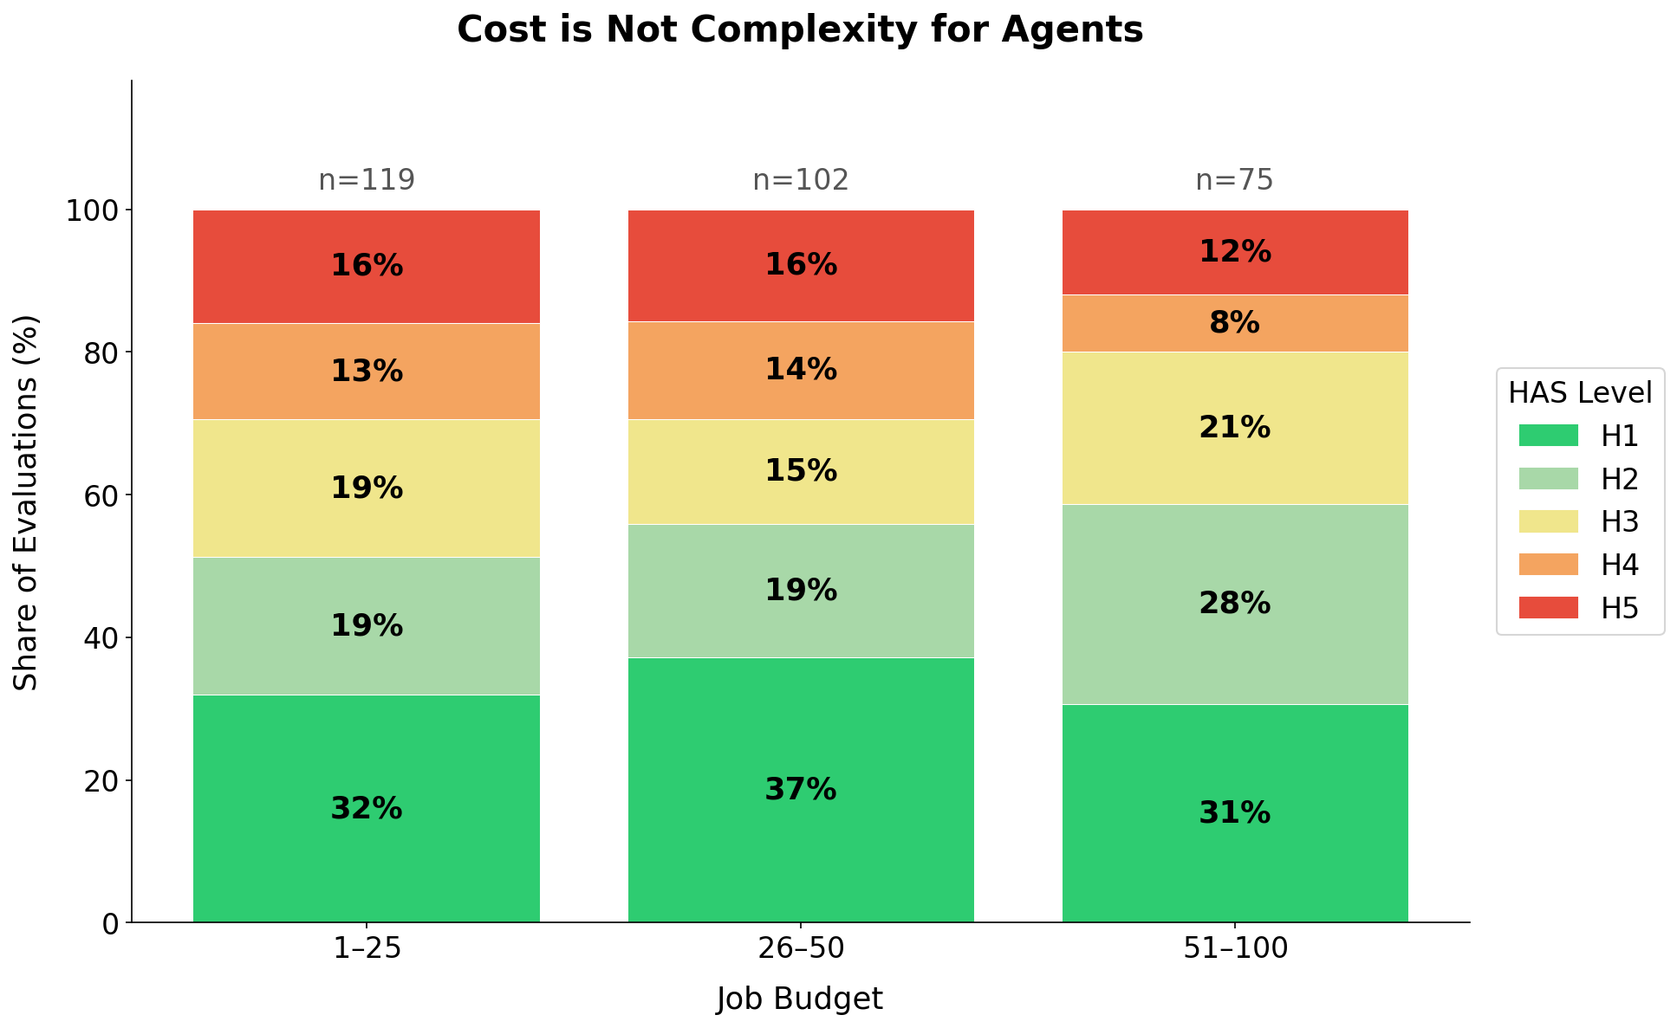
Last updated: 2026-05-04 22:10 UTC

Last updated: 2026-05-04 22:10 UTC

